Sheet1
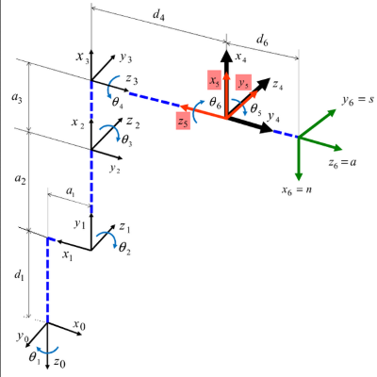
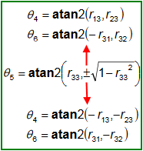
FORWARD KINAMATICS |  |  |  |  |  |  |  |  |  | INVERSE KINAMATICS
 | IN |  |  | OUT |  |  |  |  |  |  |  | IN |  | OUT
 | degrees | radians |  | degrees | radians | * excell uses wrong order for atan2 - note the order is (y,x) instead of the correct formula (x.y)
J1 * ( -170 / 170 ) | 0.000 | 0.000 | X | 327.830 |  |  |  |  |  |  | X | 286.830 | J1 | 0.000
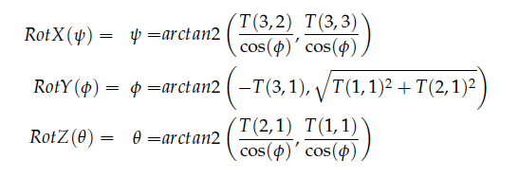
J2 * ( -42 / 90 ) | 0.000 | 0.000 | Y | 0.000 |  |  |  |  |  |  | Y | 0.000 | J2 | 0.000
J3 * ( -89 / 52 ) | 0.000 | 0.000 | Z | 474.770 |  |  |  |  |  |  | Z | 433.770 | J3 | 0.000
J4 * ( -165 / 165 ) | 0.000 | 0.000 | Rz | 45.000 | 0.785 |  |  |  |  |  | Rz | 180.000 | J4 | -180.000
J5 * ( -105 / 105 ) | 0.000 | 0.000 | Ry | 90.000 | 1.571 |  |  |  |  |  | Ry | 0.000 | J5 | -90.000
J6 * ( -155 / 155 ) | 0.000 | 0.000 | Rx | 45.000 | 0.785 |  |  |  |  |  | Rx | 180.000 | J6 | -180.000


DH params
joint | Θ | α | d | a |  |  |  |  | TOOL FRAME |  | CALC WRIST CENTER - FIND J1 ANGLE |  |  |  | R0-5 @ J1 ZERO |  | USE J1,J2,J3 ANGLES TO FIND J3 ORENTATION
1.000 | 0.000 | -1.571 | 169.770 | 64.200 |  |  |  | X | 0.000 |  | R 0-6(T) reverse kin ZYX |  |  |  | X | Y | J1
2.000 | -1.571 | 0.000 | 0.000 | 305.000 |  |  |  | Y | 0.000 |  | -1.000 | 0.000 | 0.000 | 286.830 | 286.830 | 0.000 | 1.000 | 0.000 | 0.000 | 64.200
3.000 | 3.142 | 1.571 | 0.000 | 0.000 |  |  |  | Z | 0.000 |  | 0.000 | 1.000 | 0.000 | 0.000 |  |  | 0.000 | 0.000 | 1.000 | 0.000 | R 0-2
4.000 | 0.000 | -1.571 | 222.630 | 0.000 |  |  |  | yaw (RZ) | 0.000 |  | 0.000 | 0.000 | -1.000 | 433.770 | L1 | 222.630 | 0.000 | -1.000 | 0.000 | 169.770 | 0.000 | 1.000 | 0.000 | 64.200
5.000 | 0.000 | 1.571 | 0.000 | 0.000 |  |  |  | pitch (RY) | 0.000 |  | 0.000 | 0.000 | 0.000 | 1.000 | L2 | 377.610 | 0.000 | 0.000 | 0.000 | 1.000 | 0.000 | 0.000 | 1.000 | 0.000
6.000 | 0.000 | 0.000 | 41.000 | 0.000 |  |  |  | roll (RX) | 0.000 |  |  |  |  |  | L3 | 222.630 |  |  |  |  | 1.000 | 0.000 | 0.000 | 474.770
 |  |  |  |  |  |  |  |  |  |  | TOOL FRAME |  |  |  | L4 | 305.000 | J2 |  |  |  | 0.000 | 0.000 | 0.000 | 1.000
 | J1 |  |  |  |  |  |  |  |  |  | 1.000 | 0.000 | 0.000 | 0.000 | ΘB | 36.127 | 0.000 | 1.000 | 0.000 | 0.000
 | 1.000 | 0.000 | 0.000 | 64.200 |  |  |  |  |  |  | 0.000 | 1.000 | 0.000 | 0.000 | ΘC | 36.127 | -1.000 | 0.000 | 0.000 | -305.000
 | 0.000 | 0.000 | 1.000 | 0.000 |  |  |  |  |  |  | 0.000 | 0.000 | 1.000 | 0.000 | ΘD | 90.000 | 0.000 | 0.000 | 1.000 | 0.000 | R 0-3
 | 0.000 | -1.000 | 0.000 | 169.770 |  | R 0-2 |  |  |  |  | 0.000 | 0.000 | 0.000 | 1.000 | ΘE | 0.000 | 0.000 | 0.000 | 0.000 | 1.000 | 0.000 | 0.000 | 1.000 | 64.200
 | 0.000 | 0.000 | 0.000 | 1.000 |  | 0.000 | 1.000 | 0.000 | 64.200 |  |  |  |  |  | J2 ∠ | 0.000 |  |  |  |  | 0.000 | 1.000 | 0.000 | 0.000
 |  |  |  |  |  | 0.000 | 0.000 | 1.000 | 0.000 |  | INVERT TOOL FRAME |  |  |  | J3 ∠ | 0.000 | J3 |  |  |  | -1.000 | 0.000 | 0.000 | 474.770
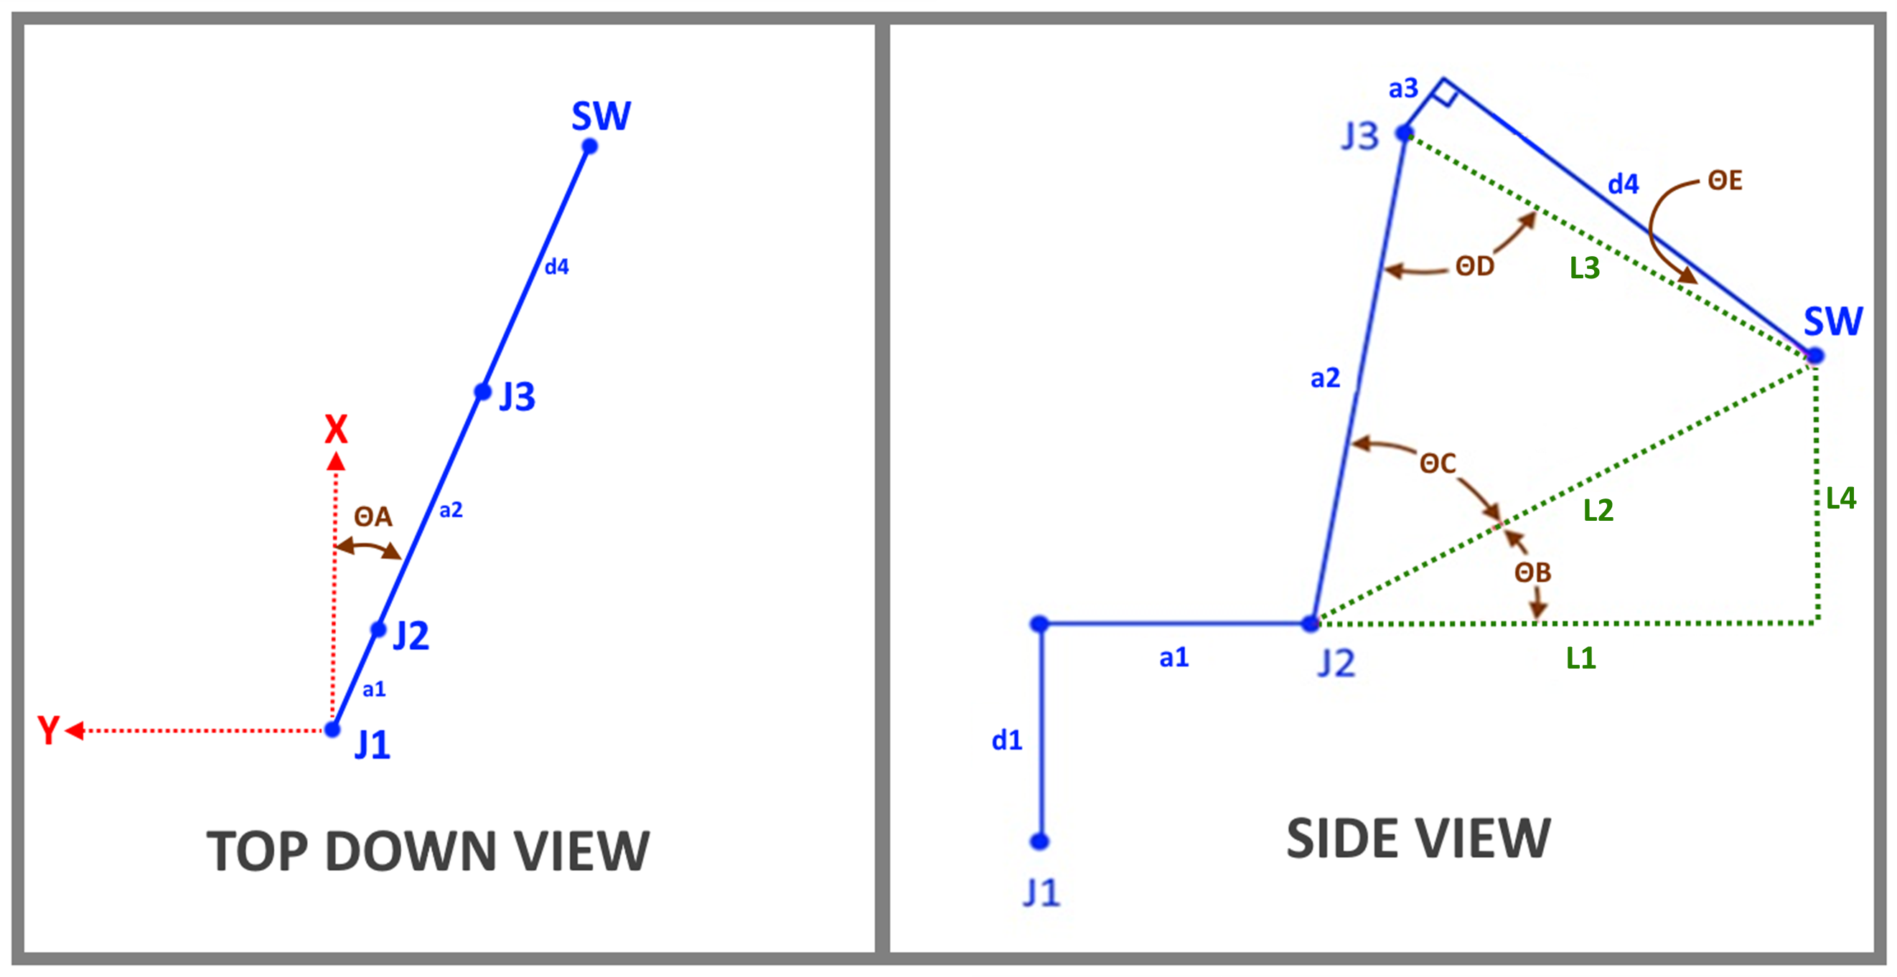
 | J2 |  |  |  |  | 1.000 | 0.000 | 0.000 | 474.770 |  | 1.000 | 0.000 | 0.000 | 0.000 |  |  | -1.000 | 0.000 | 0.000 | 0.000 | 0.000 | 0.000 | 0.000 | 1.000
 | 0.000 | 1.000 | 0.000 | 0.000 |  | 0.000 | 0.000 | 0.000 | 1.000 |  | 0.000 | 1.000 | 0.000 | 0.000 |  |  | 0.000 | 0.000 | 1.000 | 0.000
 | -1.000 | 0.000 | 0.000 | -305.000 |  |  |  |  |  |  | 0.000 | 0.000 | 1.000 | 0.000 |  |  | 0.000 | 1.000 | 0.000 | 0.000 | R 0-3 transposed
 | 0.000 | 0.000 | 1.000 | 0.000 |  | R 0-3 |  |  |  |  | 0.000 | 0.000 | 0.000 | 1.000 |  |  | 0.000 | 0.000 | 0.000 | 1.000 | 0.000 | 0.000 | -1.000
 | 0.000 | 0.000 | 0.000 | 1.000 |  | 0.000 | 0.000 | 1.000 | 64.200 |  |  |  |  |  |  |  |  |  |  |  | 0.000 | 1.000 | 0.000
 |  |  |  |  |  | 0.000 | 1.000 | 0.000 | 0.000 |  | R 0-6 reverse kin |  |  |  |  |  |  |  |  |  | 1.000 | 0.000 | 0.000
 | J3 |  |  |  |  | -1.000 | 0.000 | 0.000 | 474.770 |  | -1.000 | 0.000 | 0.000 | 286.830 |  |  | R 3-6 (spherical wrist orietation)
 | -1.000 | 0.000 | 0.000 | 0.000 |  | 0.000 | 0.000 | 0.000 | 1.000 |  | 0.000 | 1.000 | 0.000 | 0.000 |  |  | 0.000 | 0.000 | 1.000
 | 0.000 | 0.000 | 1.000 | 0.000 |  |  |  |  |  |  | 0.000 | 0.000 | -1.000 | 433.770 |  |  | 0.000 | 1.000 | 0.000
 | 0.000 | 1.000 | 0.000 | 0.000 |  | R 0-4 |  |  |  |  | 0.000 | 0.000 | 0.000 | 1.000 |  |  | -1.000 | 0.000 | 0.000
 | 0.000 | 0.000 | 0.000 | 1.000 |  | 0.000 | -1.000 | 0.000 | 286.830
 |  |  |  |  |  | 0.000 | 0.000 | 1.000 | 0.000 |  | R 0-6 negate
 | J4 |  |  |  |  | -1.000 | 0.000 | 0.000 | 474.770 |  | 1.000 | 0.000 | 0.000 | 0.000
 | 1.000 | 0.000 | 0.000 | 0.000 |  | 0.000 | 0.000 | 0.000 | 1.000 |  | 0.000 | 1.000 | 0.000 | 0.000
 | 0.000 | 0.000 | 1.000 | 0.000 |  |  |  |  |  |  | 0.000 | 0.000 | 1.000 | -41.000
 | 0.000 | -1.000 | 0.000 | 222.630 |  | R 0-5 (center spherica wrist) |  |  |  |  | 0.000 | 0.000 | 0.000 | 1.000
 | 0.000 | 0.000 | 0.000 | 1.000 |  | 0.000 | 0.000 | 1.000 | 286.830
 |  |  |  |  |  | 0.000 | 1.000 | 0.000 | 0.000 |  | R 0-5 reverse kin (center spherica wrist)
 | J5 |  |  |  |  | -1.000 | 0.000 | 0.000 | 474.770 |  | -1.000 | 0.000 | 0.000 | 286.830
 | 1.000 | 0.000 | 0.000 | 0.000 |  | 0.000 | 0.000 | 0.000 | 1.000 |  | 0.000 | 1.000 | 0.000 | 0.000
 | 0.000 | 0.000 | -1.000 | 0.000 |  |  |  |  |  |  | 0.000 | 0.000 | -1.000 | 474.770
 | 0.000 | 1.000 | 0.000 | 0.000 |  | R 0-6 |  |  |  |  | 0.000 | 0.000 | 0.000 | 1.000
 | 0.000 | 0.000 | 0.000 | 1.000 |  | 0.000 | 0.000 | 1.000 | 327.830
 |  |  |  |  |  | 0.000 | 1.000 | 0.000 | 0.000 |  | WRIST CONF. | N
 | J6 |  |  |  |  | -1.000 | 0.000 | 0.000 | 474.770
 | 1.000 | 0.000 | 0.000 | 0.000 |  | 0.000 | 0.000 | 0.000 | 1.000 |  | CALCULATE J1 ANGLE
 | 0.000 | 1.000 | 0.000 | 0.000 |  |  |  |  |  |  | J1 ∠ | 0.000
 | 0.000 | 0.000 | 1.000 | 41.000 |  | R 0-T
 | 0.000 | 0.000 | 0.000 | 1.000 |  | 0.000 | 0.000 | 1.000 | 327.830
 |  |  |  |  |  | 0.000 | 1.000 | 0.000 | 0.000
 | TOOL FRAME |  |  |  |  | -1.000 | 0.000 | 0.000 | 474.770
 | 1.000 | 0.000 | 0.000 | 0.000 |  | 0.000 | 0.000 | 0.000 | 1.000
 | 0.000 | 1.000 | 0.000 | 0.000
 | 0.000 | 0.000 | 1.000 | 0.000
 | 0.000 | 0.000 | 0.000 | 1.000

Sheet2
 | INPUT | degrees | radians
 | Z = | 12.00000 | 0.20944
 | Y = | 10.00000 | 0.17453
 | X = | 5.00000 | 0.08727

rZ | 0.97815 | -0.20791 | 0.00000
 | 0.20791 | 0.97815 | 0.00000
 | 0.00000 | 0.00000 | 1.00000 | rZY | 0.96329 | -0.20791 | 0.16985
 |  |  |  |  | 0.20475 | 0.97815 | 0.03610
rY | 0.98481 | 0.00000 | 0.17365 |  | -0.17365 | 0.00000 | 0.98481
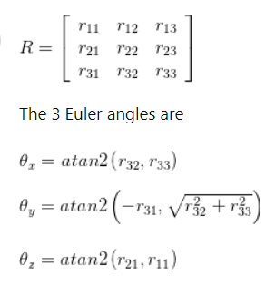
 | 0.00000 | 1.00000 | 0.00000
 | -0.17365 | 0.00000 | 0.98481 | rZYX | 0.96329 | -0.19232 | 0.18733 | 50.00000
 |  |  |  |  | 0.20475 | 0.97757 | -0.04929 | 0.00000
rX | 1.00000 | 0.00000 | 0.00000 |  | -0.17365 | 0.08583 | 0.98106 | 100.00000
 | 0.00000 | 0.99619 | -0.08716 |  | 0.00000 | 0.00000 | 0.00000 | 1.00000
 | 0.00000 | 0.08716 | 0.99619

 | OUTPUT | radians | degrees
 | Z = | 0.20944 | 12.00000
 | Y = | 0.17453 | 10.00000
 | X = | 0.08727 | 5.00000

Sheet3
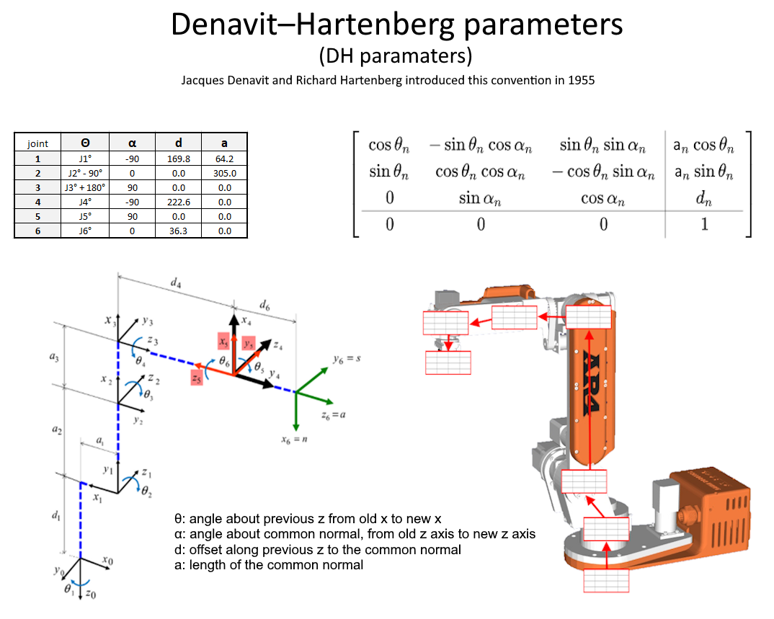

Sheet4
